Sheet1
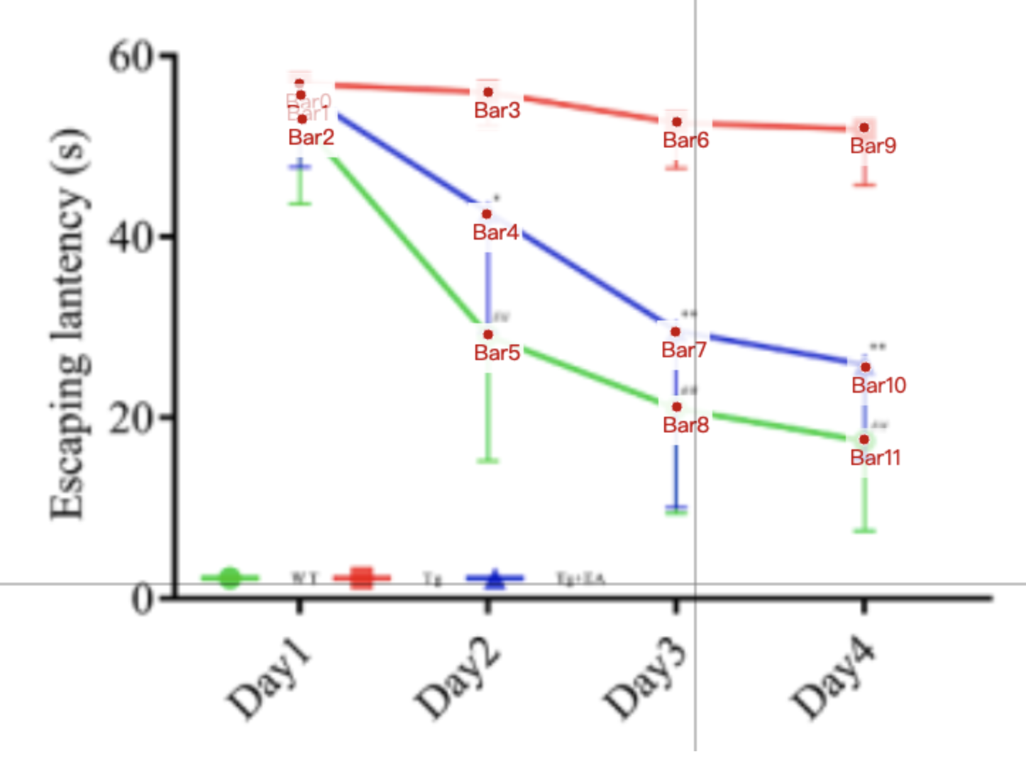
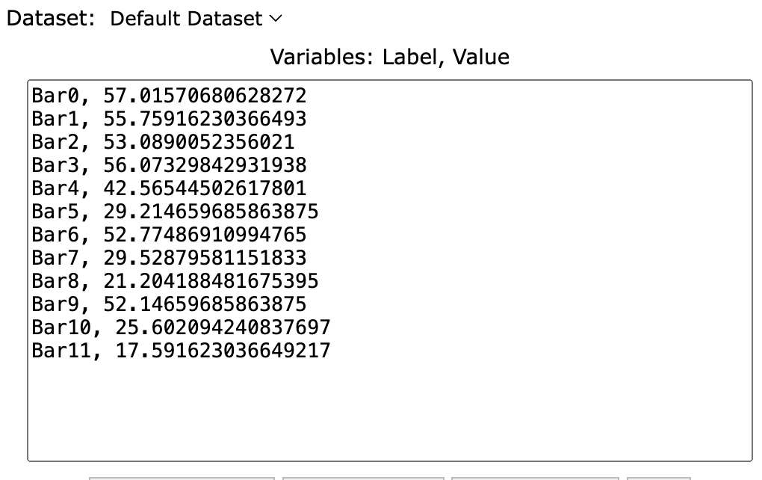
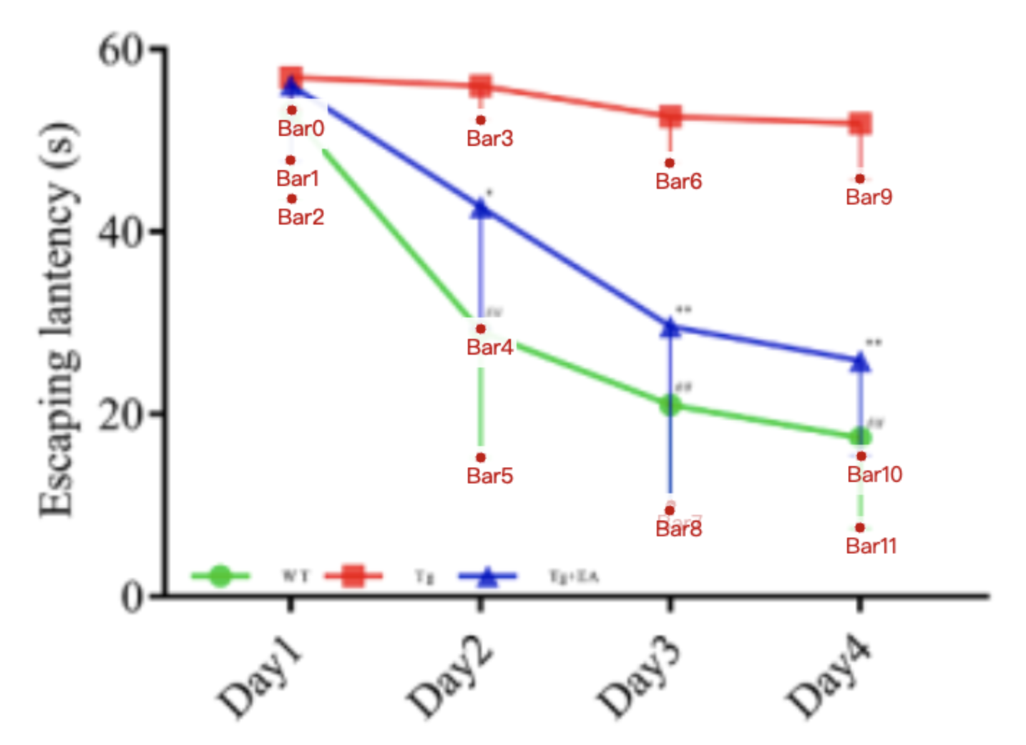
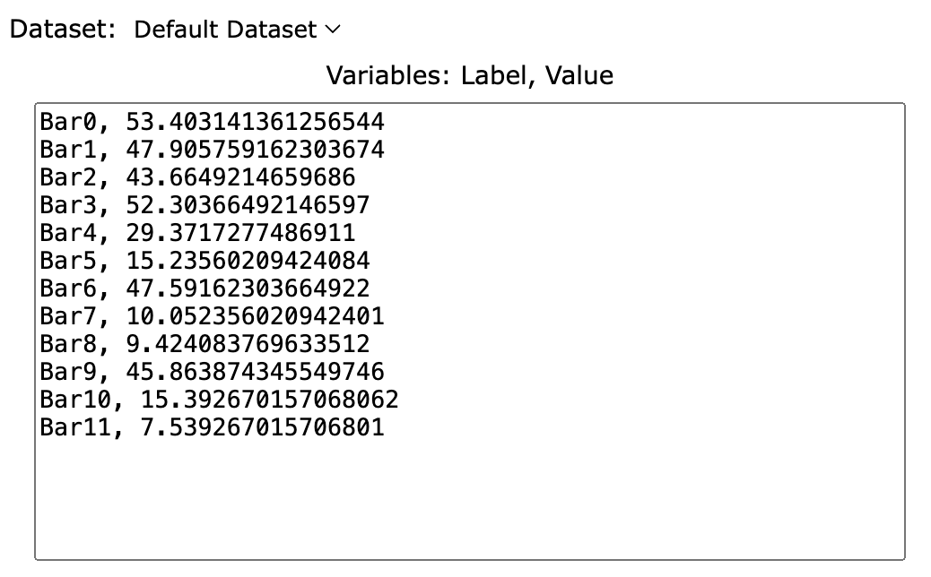
Treatment Groups | WT_escape_latency(s) | Tg_escape_latency | Tg+EA_escape_latency
day_1_mean | 53.089005236 | 57.015706806 | 55.759162304
day_1_sd | 9.42408377 | 3.612565445 | 7.853403141
day_1_mean-sd | 43.664921466 | 53.403141361 | 47.905759162
day_2_mean | 29.214659686 | 56.073298429 | 42.565445026
day_2_sd | 13.97905759 | 3.769633508 | 13.19371728
day_2_mean-sd | 15.235602094 | 52.303664921 | 29.371727749
day_3_mean | 21.204188482 | 52.77486911 | 29.528795812
day_3_sd | 11.78010471 | 5.183246073 | 19.47643979
day_3_mean-sd | 9.4240837696 | 47.591623037 | 10.052356021
day_4_mean | 17.591623037 | 52.146596859 | 25.602094241
day_4_sd | 10.05235602 | 6.282722513 | 10.20942408
day_4_mean-sd | 7.5392670157 | 45.863874346 | 15.392670157

